Descriptions & Percentages

 |  | Final TD samples Lithological descriptions and formation percentages

Well name: |  | SUNCOR OB300 FIREBAG 9-13-95-6 |  |  |  | Rig: | Akita 12 | Wireline Run Time (hrs)

UWI : | 1AB/09-13-095-06W4/0 |  |  |  | Geologist(s): |  | Kurt Ball / Dennis Knoch

Sample interval From-To (m) |  | Composition |  |  | Devonian / BHL Contact (m) | Geological Descriptions |  | Geo/Driller initals
 |  | Sand% | CaCO3% | SH/Silt%
334.3 | 335 | 40% | 60% |  |  | Limestone: very light grey, soft, sugary, microcrystalline, sandy, traces black to light brown oil-staining. Sandstone: off white to white, loose quartz grains, transparent, predominantly lower medium to upper fine grained, common upper medium to lower coarse grained, predominantly subrounded to subangular in parts, rounded locally, moderately to poorly sorted, traces pyrite. |  | DK/TP
335 | 337 | 30% | 70% |  |  | Limestone: very light grey, sugary, microcrystalline, traces black to light brown oil staining. Sandstone: off white to white, loose quartz grains, transparent, predominantly lower medium to upper fine grained, common upper medium to lower coarse grained, predominantly subrounded to subangular in parts, rounded locally, moderately to poorly sorted, moderate oil staining. |  | DK/TP
337 | 339 | 50% | 50% |  |  | Limestone: white, very light grey to very light greenish grey, tan grey, firm, microcrystalline with minor cryptocrystalline, fracture porosity, pinpoint?, spotted oil staining, occassional mottled oilstained grains. Sandstone: off white to white, loose quartz grains, transparent, predominantly lower medium to upper fine grained, common upper medium to lower coarse grained, predominantly subrounded to subangular in parts, rounded locally, moderately to poorly sorted, moderate & heavy oil staining. |  | DK/TP
339 | 341 | 40% | 60% |  |  | Limestone: very light grey to very light greenish grey, firm, microcrystalline with some minor cryptocrystalline grains, spotted oil staining, fracture porosity possibly pinpoint. Sandstone: off white to white, loose quartz grains, transparent, predominantly lower medium to upper fine grained, common upper medium to lower coarse grained, predominantly subrounded to subangular in parts, rounded locally, moderately to poorly sorted, moderate to heavy oil staining. |  | DK/TP

TD Procedure for NonCored Wells
Non-Cored Wells: Procedure for determining TD (Vertical Wells) Calling TD: In Situ (Mud Rotary) Below are the steps mitigating trespass on DLA’s for all In Situ operations. For details on proper sample collection and description refer to the Wells Onshore Core Samples & Drill Cuttings Collection, Analysis and Documentation Guideline. It is important that the Geoscientist is in constant communication with the GFS and/or GOC and asks for guidance, if needed, during this process. 1. Review the provided stick diagram and be sure of prognosed Devonian Top depth. The stick diagram will be printed out and on hand at rig site. Ensure the elevations on stick have been updated to reflect the KB elevation. 2. When available, use Pason to help calculate bottoms up timing for accurate sample collections and display of any petrophysical data for correlation to samples. 3. Use a lag time calculator to calculate the annular velocity and lag time (a lag time calculator can be provided by the GFS and/or GOC if needed). 4. Input the annular velocity into Pason. Samples are to be collected at 2m intervals starting at 20m above the prognosed Devonian top to TD. 5. The Geoscientist will estimate when the first samples expecting to contain Devonian lithology will arrive based on current drill depth, communication with Driller, and prognosed depth from the stick diagram. 6. The first sample to react with Hydrochloric Acid (HCL) will start the count for TD. Because samples are collected in 2m intervals and to be conservative the Geoscientist will start the count of 13m overhole at the top of the 2m sample that first reacts with HCL. (See Figure 1). 7. It is important that the Geoscientist ensures acid tests are performed frequently and in a warm environment. 8. The GFS and Suncor’s Asset Geologist need be contacted immediately if there is any uncertainty in picking the Devonian top. 9. Upon identification of Devonian strata and determinatio | 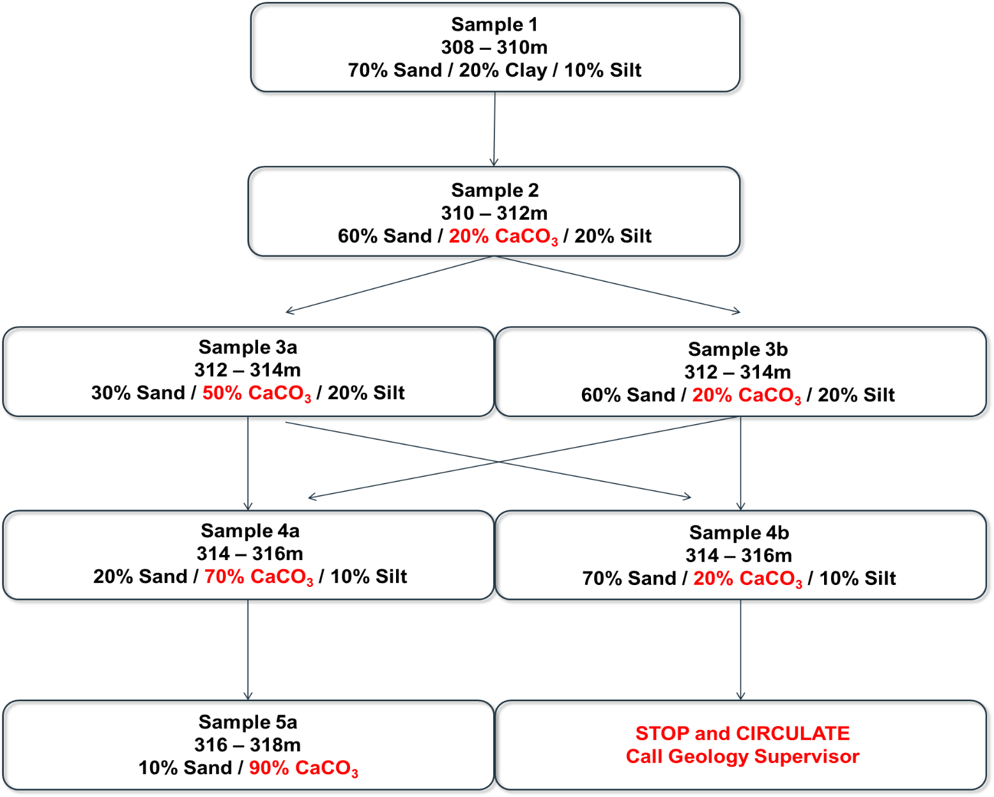 Drill, Log, Abandon (DLA) – Devonian Selection Criteria Example HCL reaction from 310m – 312m TD called at 13m below top of sample point (310m +13m = 323m)

